6.Star Schema
Star Schema

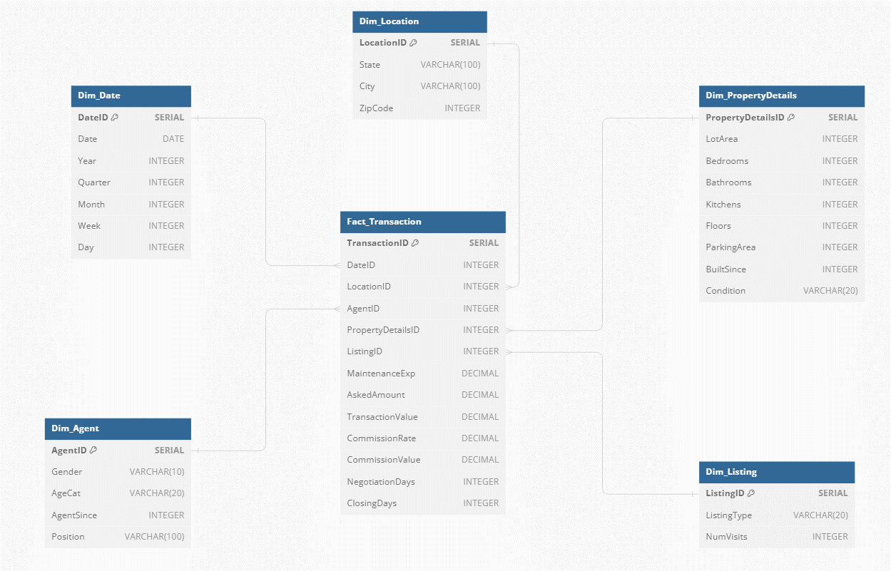
Star Schema Image | Possible Star Schema Queries
 | Sno | Business Question Addressed | SQL query
 | 1 | What was the total commission generated through agents handling rental listings in the first quarter of 2021? | SELECT SUM(ft.CommissionValue) AS Total_Commission FROM Fact_Transaction ft JOIN Dim_Date dd ON ft.DateID = dd.DateID JOIN Dim_Listing dl ON ft.ListingID = dl.ListingID WHERE dd.Year = 2021 AND dd.Quarter = 1 AND dl.ListingType = 'Rental';
 | 2 | What was the average time taken to close a listing by agents handling sale listings in all four quarters of 2022? | SELECT AVG(ft.ClosingDays) AS Avg_ClosingDays FROM Fact_Transaction ft JOIN Dim_Date dd ON ft.DateID = dd.DateID JOIN Dim_Listing dl ON ft.ListingID = dl.ListingID WHERE dd.Year = 2022 AND dl.ListingType = 'Sale';
 | 3 | What was average commission rate of the top 5 cities with the most sale transactions in 2023? | SELECT AVG(ft.CommissionRate) AS Avg_CommissionRate FROM Fact_Transaction ft JOIN Dim_Date dd ON ft.DateID = dd.DateID JOIN Dim_Location dl ON ft.LocationID = dl.LocationID JOIN Dim_Listing dlst ON ft.ListingID = dlst.ListingID WHERE dd.Year = 2023 AND dlst.ListingType = 'Sale' GROUP BY dl.City ORDER BY COUNT(*) DESC LIMIT 5;
 | 4 | What was the average time spent in negotiations by agents for the top 3 states with the most rental transactions in 2022 and 2023? | SELECT AVG(ft.NegotiationDays) AS Avg_NegotiationDays FROM Fact_Transaction ft JOIN Dim_Date dd ON ft.DateID = dd.DateID JOIN Dim_Location dl ON ft.LocationID = dl.LocationID JOIN Dim_Listing dlst ON ft.ListingID = dlst.ListingID WHERE dd.Year IN (2022, 2023) AND dlst.ListingType = 'Rental' GROUP BY dl.State ORDER BY COUNT(*) DESC LIMIT 3;
 | 5 | What was the average commission generated by middle-aged male and female agents in 2022? | SELECT AVG(ft.CommissionValue) AS Avg_Commission FROM Fact_Transaction ft JOIN Dim_Date dd ON ft.DateID = dd.DateID JOIN Dim_Agent da ON ft.AgentID = da.AgentID WHERE dd.Year = 2022 AND da.AgeCat = 'Middle-aged' GROUP BY da.Gender;
 | 6 | What was the average transaction value for Broker Associate in the fourth quarter of 2023? | SELECT AVG(ft.TransactionValue) AS Avg_TransactionValue FROM Fact_Transaction ft JOIN Dim_Date dd ON ft.DateID = dd.DateID JOIN Dim_Agent da ON ft.AgentID = da.AgentID WHERE dd.Year = 2023 AND dd.Quarter = 4 AND (da.Position = 'Broker Associate');
 | 7 | What was average number of transactions handled by agents who've joined in the past two years? | SELECT AVG(COUNT(ft.TransactionID)) AS Avg_Transactions FROM Fact_Transaction ft JOIN Dim_Agent da ON ft.AgentID = da.AgentID WHERE DATE_PART('year', CURRENT_DATE) - da.AgentSince <= 2 GROUP BY da.AgentID;
 | 8 | What was the average time taken to close a sale listing where property size was greater 3000 sqft and had more than 4 bedrooms in 2021? | SELECT AVG(ft.ClosingDays) AS Avg_ClosingDays FROM Fact_Transaction ft JOIN Dim_Date dd ON ft.DateID = dd.DateID JOIN Dim_Listing dl ON ft.ListingID = dl.ListingID JOIN Dim_PropertyDetails dpd ON ft.PropertyDetailsID = dpd.PropertyDetailsID WHERE dd.Year = 2021 AND dl.ListingType = 'Sale' AND dpd.LotArea > 3000 AND dpd.Bedrooms > 4;
 | 9 | What is the average maintenance cost and demand price discount percentage for properties which are built in last two decades? | SELECT AVG(ft.MaintenanceExp) AS Avg_MaintenanceCost, AVG((ft.AskedAmount - ft.TransactionValue) / ft.AskedAmount) * 100 AS Avg_DemandPriceDiscount FROM Fact_Transaction ft JOIN Dim_PropertyDetails dpd ON ft.PropertyDetailsID = dpd.PropertyDetailsID WHERE dpd.BuiltSince <= 20;
 | 10 | What is the average time taken to close a listing which has a property in a poor condition? | SELECT AVG(ft.ClosingDays) AS Avg_ClosingDays FROM Fact_Transaction ft JOIN Dim_PropertyDetails dpd ON ft.PropertyDetailsID = dpd.PropertyDetailsID WHERE dpd.Condition = 'Poor';

